Complaint flow chart
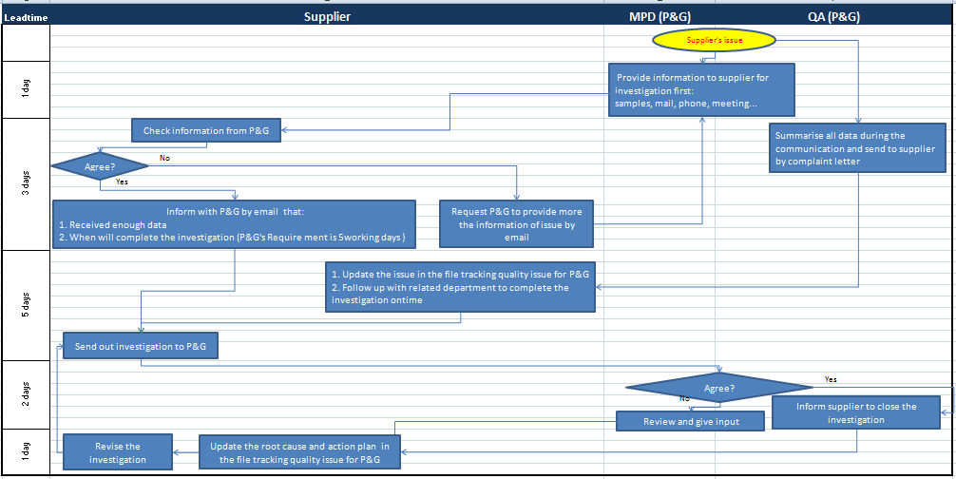
Muc lục 7.3 of MAT-71-09.01 version#1 | Page 1 of 4

